1. Title Page
[Instacart Grocery Basket Analysis]

Project Name: Instacart Grocery Basket Analysis
Date: 04/30/24
Analyst Name: Rachel Grigiac

Contents:
Population Flow
Consistency checks
Wrangling steps
Column derivations
Visualizations
Recommendations

2. Population Flow
Title page

Population flow

Exclusion flag
Condition: max_order < 5
Obervations to be removed: 1440295
Final total count of order_products_all: 30964564

Orders_products_combined
Orders_products_merged
Orders_products_all

Total: 32404859
Total: 32434489
Total: 32404859

1.) The grey boxes in the first row of the population flow represent the original data sets as they were when you downloaded them. In the Total fields you need to add the count of the rows when you imported the data set into Jupyter.
2.) The second row of boxes (coloured) represents the data sets after you manipulated them, e.g., removed missing values and duplicates. In the Total fields you need to add the count of the rows after conducting these operations. This offers a visual oveview of how the data flows throughout the data consistency checks.
3.) The third row, where also the arrows are coloured, represents the merges you performed between the datasets. In the Total fields you need to add the count of the rows in the merged datasets, so that you end up with the final dataset (in the red box). Keep in mind the final dataset should be without exclusions (based on the exclusion flag).

3. Consistency checks
 |  |  |  | Title page
Consistency checks

Dataset | Missing values | Missing values treatment | Duplicates
orders | days_since_prior_order: 206209 | Creating a flag
products | product_name: 16 | New dataframe without NaN
orders_products_prior | /
customers | /

4. Wrangling steps
 |  |  |  | Title page
Wrangling steps

Columns dropped | Columns renamed | Columns' type changed | Comment/Reason
eval_set (from orders) |  |  | Irrelevant
 | orders_dow -> orders_day_of_week (from orders) |  | Making the column more explicit
 |  | order_id -> string (orders) | Numbers are used as an unique identifier.
 |  | user_id -> string (customers) | Numbers are used as an unique identifier.
 | number_order -> user_number_order (from orders) |  | Making the column more explicit
First Name (customers) |  |  | Irrelevant
Surnam (customers) |  |  | Irrelevant
First_joined (customers) |  |  | Irrelevant
 | Gender -> gender (customers) |  | Lower cap
 | State -> state (customers) |  | Lower cap
 | Age -> age (customers) |  | Lower cap

5. Column derivations
 |  |  |  | Title page

Column derivations and aggregations

Dataset | New column | Column/s it was derived from | Conditions
orders_products_merged | price_range_loc | prices | High range product (417678): > 15 Mid range product (21860860): > 5 & <= 15 Low range product (10126321): <= 5
orders_products_merged | busiest_day | orders_day_of_the_week | Busiest day (6204182): 0 Least busy (3783802): 4 Regularly busy (22416875): All other values
orders_products_merged | busiest_days | orders_day_of_the_week | Busiest days (11864412): isin([0,1]) Regularly busy (12916111): isin([2,5,6]) Slowest days (7624336): isin([3,4])
orders_products_merged | busiest_period_of_day | order_hour_of_day | Fewest orders (1289137): isin([23, 6, 0, 1, 5, 2, 4, 3]) Average orders (9997651): isin([17, 8, 18, 19, 20, 7, 21, 22]) Most orders (21118071): isin([10, 11, 14, 15, 13, 12, 16, 9])
orders_products_merged | loyalty_flag | max_order( user_id & user_ order_number) | Loyal customer (15876776): max_order > 40 Regular customer (10284093): max_order <= 40 & > 10 New customer (6243990): max_order <=10
orders_products_merged | frequency_flag | order_frequency (user_id/days_since_prior) | Non-frequent customer (3636437): order_frequency > 20 Regular customer (7208564): order_frequency <= 20 & > 10 Frequent customer (21559853): order_frquency <=10
orders_products_merged | spending_flag | average_price ( prices/user_id) | Low spender (31770614): average_price < 10 High spender (634245): average_price >=10
orders_products_all | age_flag | age | Youg Adult (5817603): >=18 & <=29 Adult (7261366): >=30 & <=44 Middle-Age Adult (7311091): >=45 & <= 59 Senior (10574504): >= 60
orders_products_all | income_flag | income | Low Income (3362554): < 50000 Medium-Low Income (6544126): >= 50000 & < 75000 Medium Income (6850482): >= 75000 & <100000 Medium-High Income (5929358) >=100000 & < 125000 High Income (8278044): >= 125000
orders_products_all | living_flag | n_dependants | Alone (7739681): 0 With Family (23224883): >0
orders_products_all | region | state | Northeast (5722736): 'Maine','New Hampshire','Vermont','Massachusetts','Rhode Island', 'Connecticut','New York','Pennsylvania','New Jersey' Midwest (7597325): 'Wisconsin','Michigan','Illinois','Indiana','Ohio','North Dakota','South Dakota','Nebraska','Kansas','Minnesota','Iowa','Missouri' South (10791885): 'Delaware','Maryland','District of Columbia','Virginia','West Virginia','North Carolina','South Carolina','Georgia','Florida','Kentucky', 'Tennessee', 'Mississippi','Alabama','Oklahoma','Texas','Arkansas','Louisiana' West (8292913): 'Idaho','Montana','Wyoming','Nevada','Utah','Colorado','Arizona','New Mexico','Alaska','Washington','Oregon','California','Hawaii' (source: wikipedia)

6. Visualizations & Recs
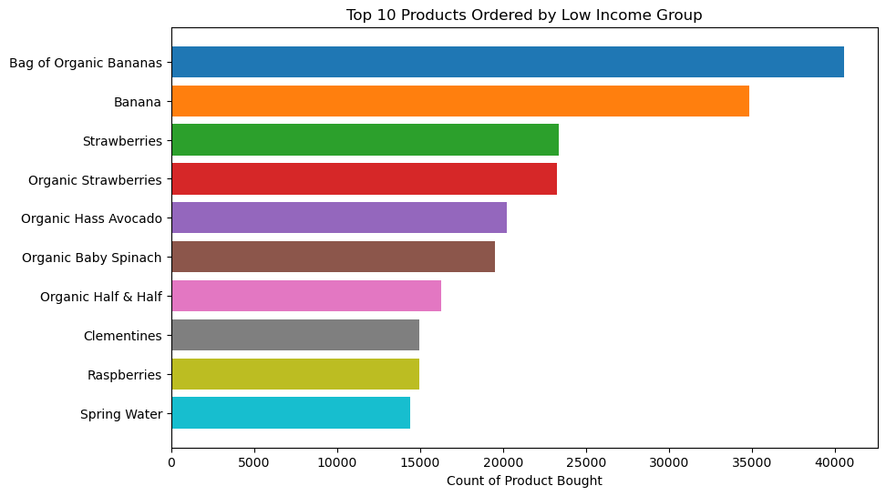
 |  |  |  |  | Title page

Visualisations

In this tab you should include all the visualtions from Exercises 4.9 and 4.10, alongside the questions from the project brief that they answer. Include any commentary on the relationship between different variables.

 | 1) What are the busiest days of the week and hours of the day?


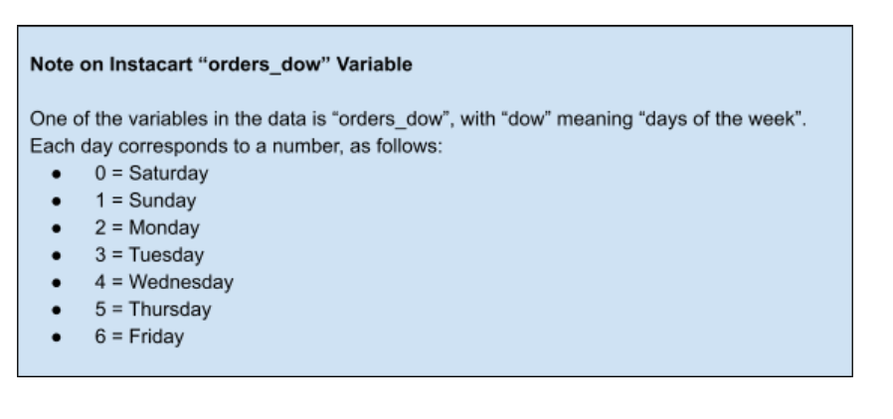

 |  |  |  | The bar chart shows the frequency of orders placed during the week. Weekends are when most orders are placed. Recommendation: invest in ads during the week or add slogans to the ads to reference the days of the week. For example: "The best place to go after a long day at work".

 |  |  |  | This chart shows the frequency of orders placed throughout the day. The peak times are late morning and late afternoon, with the highest frequency at 10am. After 3pm, the frequency of orders decreases. Recommendation: Increase ads after work hours and during early evening to boost orders in the evening, night and early morning. Additionally, add slogans that reference this period of time. For example: "When it's too late to go out and you want to stay home..."/"Night Zoomies?"

 | 2) Are there particular times of the day when people spend the most money?


 |  |  |  | As seen on this chart, people spend the most money around nighttime/early morning. Recommendation: Continue boosting ads in the evening and add ads that reference nighttime/early morning, as recommended above.

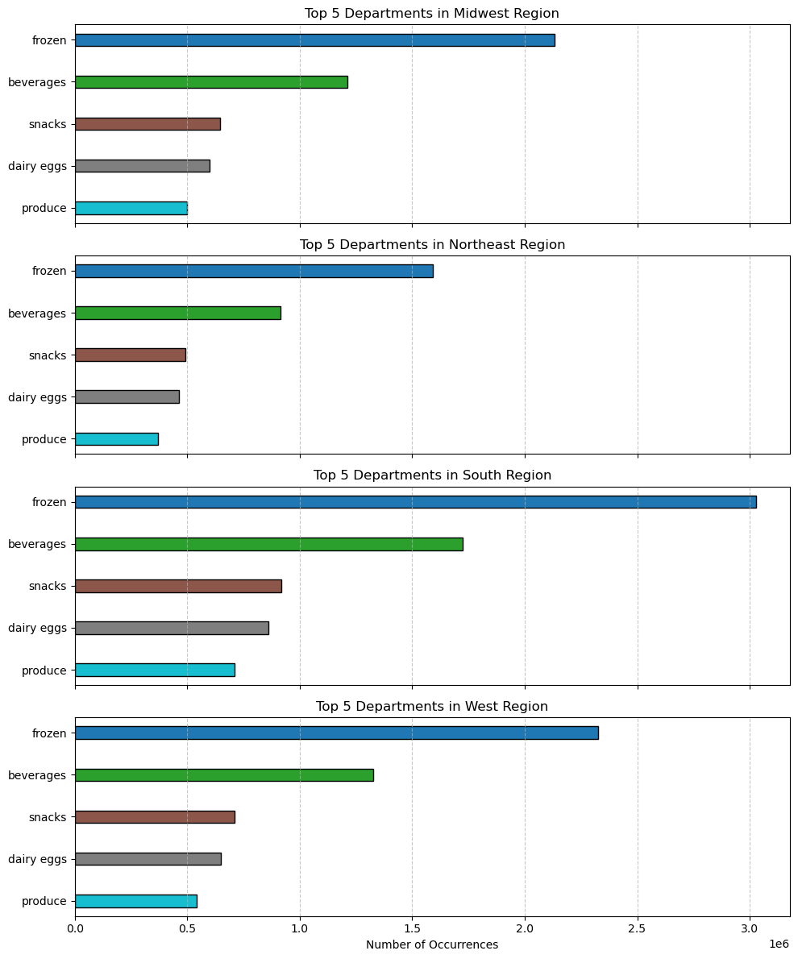

 | 3) Are there differences habits based on a customer's region
 |  |  |  |  |  | The top 5 departments are consistent across regions. The popularity of frozen foods and beverages may suggest a seasonal influence, potentially expalining why the South region is more popular than the Northern regions. Recommandation: Further analysis should be conducted to investigate this potential seasonal variation.
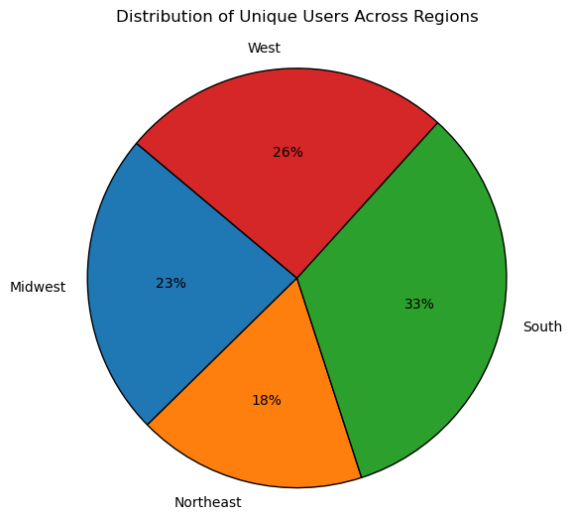

 | 4) What different classifications does the demographic information suggest?
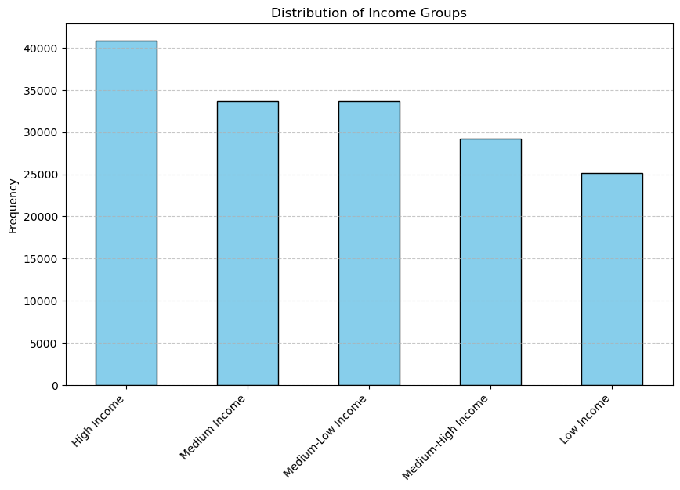
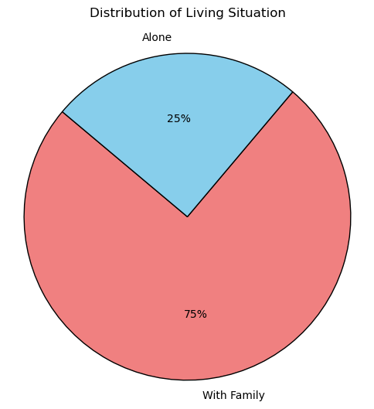
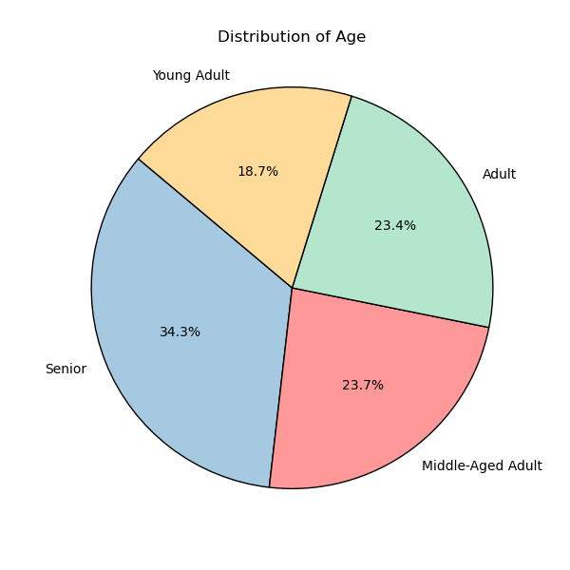
 |  |  |  |  |  |  | Most Instacart live with family with the largest percentage being seniors (aged 60+). The low-income group is the least represented among customers. Recommendation: Target ads for every group.

 | 5) What differences can you find in ordering habits of different customer profiles?

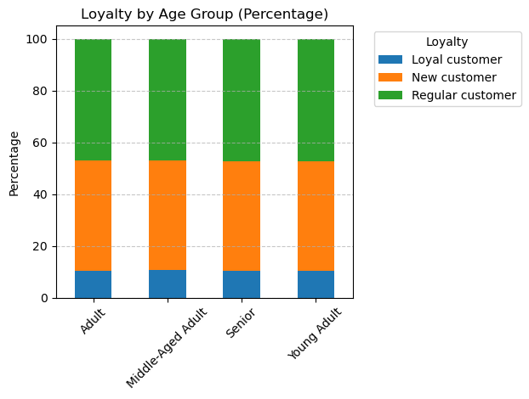
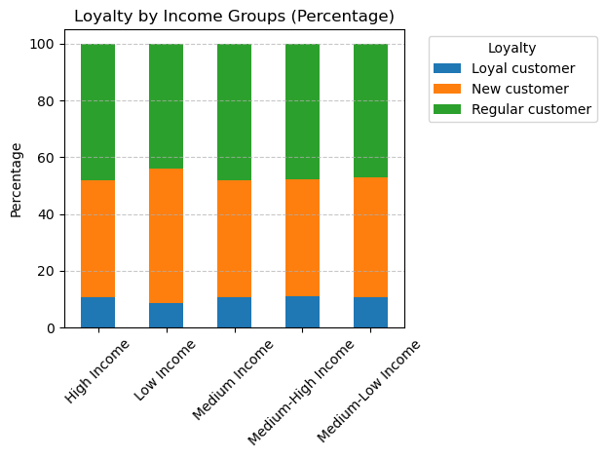
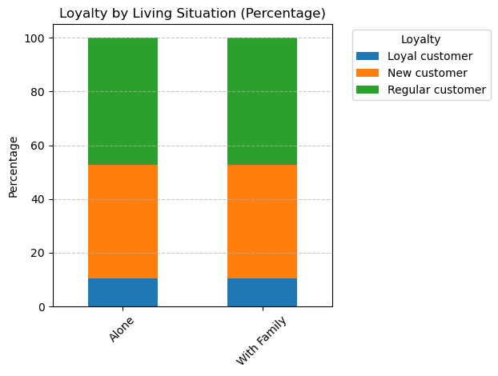

 | The low-income group shows a lower percentage of loyal customers and a higher percentage of new customers than the other groups. Recommendation: Focus on gaining the loyalty of low-income groups by increasing representation of low-income families in ads and offering a loyalty program for new customers.

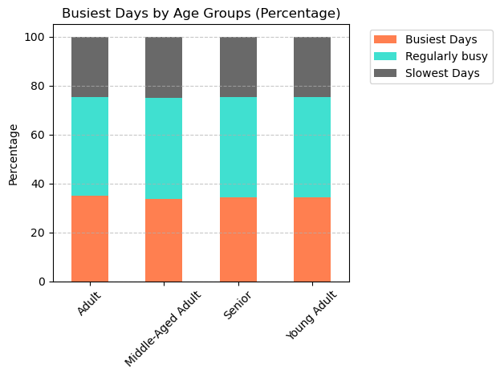
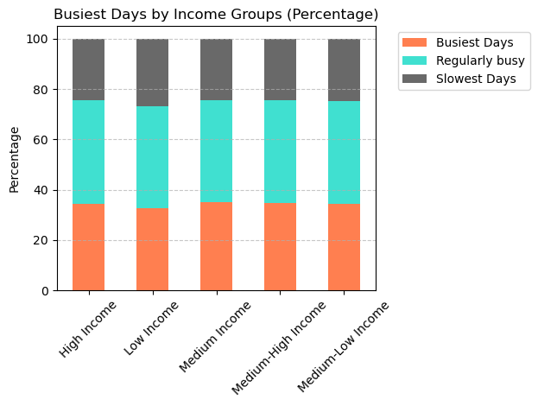
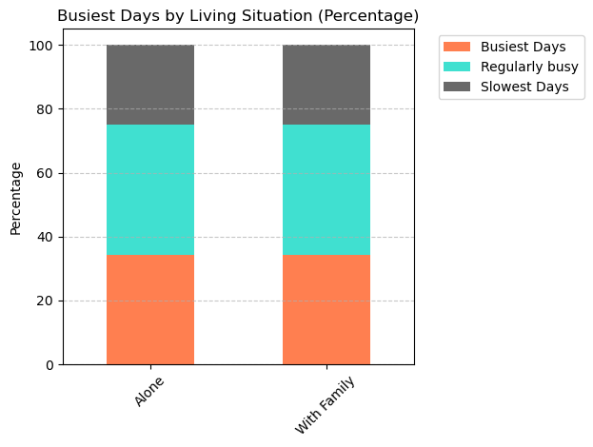

 | There is a higher percentage of low income group that use InstaCart during the slowest days. Recommendation: Include representations of the low-income group in ads targeting weekdays to continue encouraging their participation throughout the week. Additionally, consider offering more discounts or loyalty rewards during this time frame.



 |  | There is also a slight higher percentage of loyal customer who shop during the slowest days. Recommendation: Provide additional loyalty rewards during weekdays to incentivize them to shop during the week.

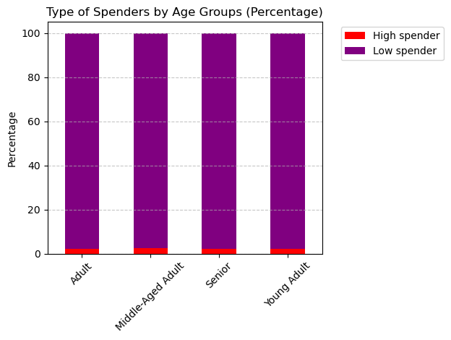
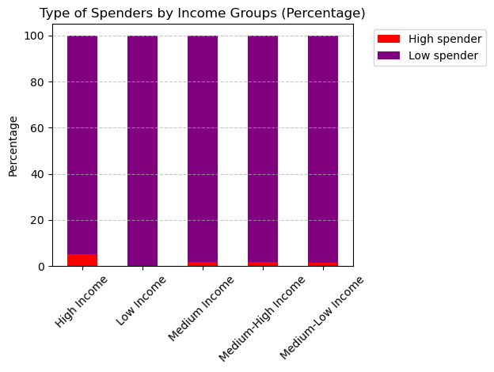
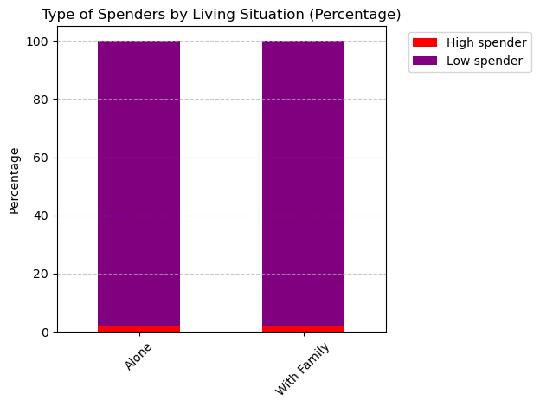

 | The majority of customers are low spenders, especially among the low-income group. Recommendation: Keep prices low or offer more discounts on bulk purchases to encourage customers to spend more. Adds could also suggest InstaCart is a great place to buy a lot.

 | 6) What is the relationship between loyalty and frequency?

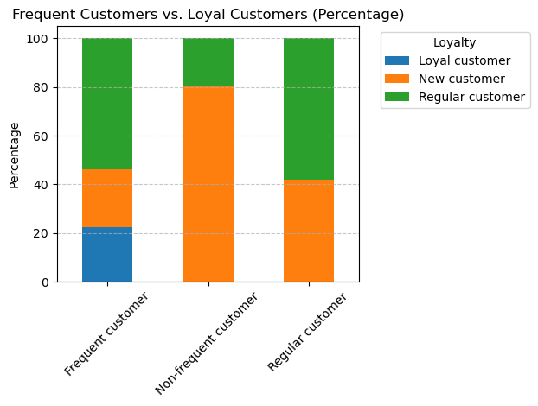

 | All loyal customers are frequent customers; however, they represent only a smaller portion of frequent customers. When it comes to non-frequent customers, most of them are new customers. Recommendation: Increase customer loyalty and encourage more frequent purchases through a loyalty program.

 | 7) What differences can you find in ordering habits of top departments? |  | The following charts were created based on a 30/70 sample of the data.
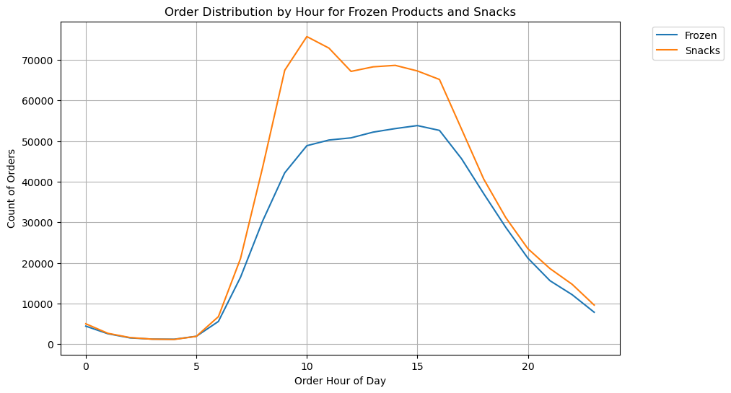

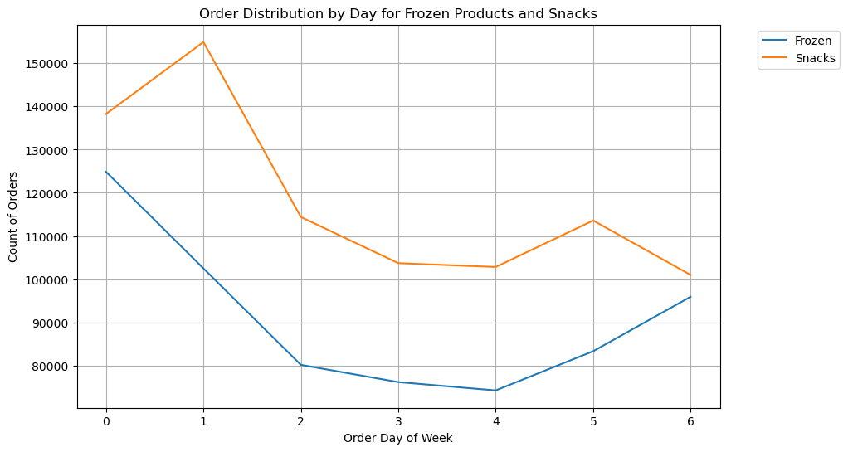

 |  | The popularity of frozen and snack products peaks during the weekend, with an additional peak on Sundays and Thursdays specifically for snacks. Snacks are typically purchased in the late morning, while frozen products are bought around 3pm, after school or work. Recommendation: These are the types of products we should advertise in the late evening to boost nighttime orders.

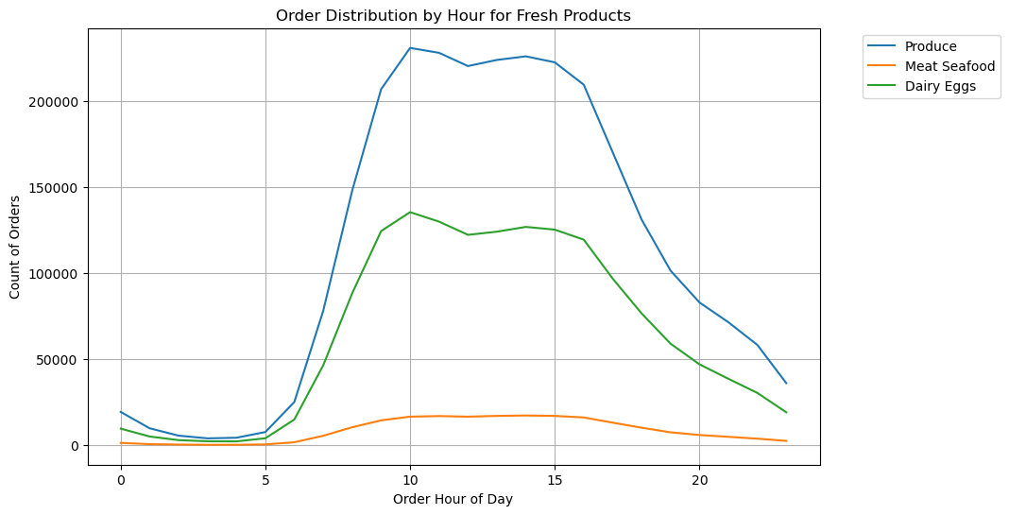
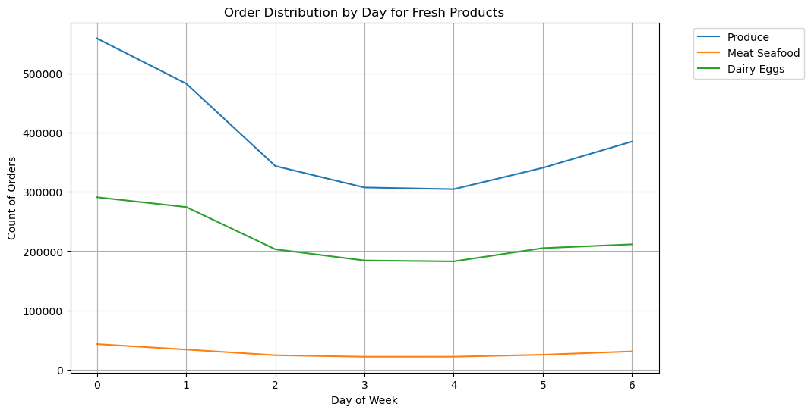

 |  | Fresh products follow the same popularity curve. Peak time is between 10am to 3pm, after which it decreases. When it comes to weekdays, weekends are more popular, but the differences are less noticeable than other departments. Recommendation: offering discounts on remaining stock at the end of the day. Prioritize ads for fresh products during the week.

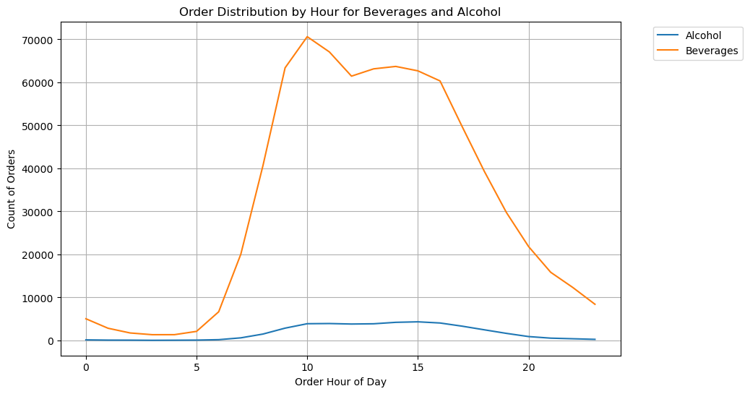
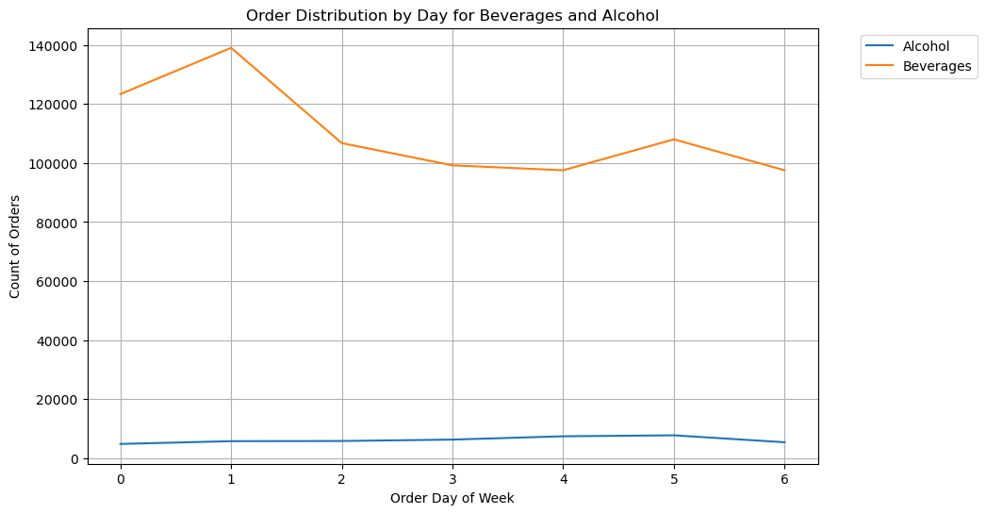

 |  | Beverages peak on Sundays and Thursdays, while alcohol peaks on Thursdays, right before the weekend. Recommendation: Increase ads during weekdays with content referring to weekend preparation.

 | 8) Additional information:

 |  | Given that the low-income group and new customers are the two groups we particularly want to gain loyalty from, I looked through their top products:



 |  | We can see an interest in fruits and vegetables, particularly organic ones. These are products we can target more in our ads or offer discounts on.

7. Recommendations
 |  | Title page

Recommendations

In this tab you should include any recommendations you would made to Instcart in terms of their marketing strategy based on the questions posed in the brief. Every key question has been covered in the Tasks of the Exercises - here you need to add an item - a visualisation or table/crosstable that is showing the answer in the data, acompanied by a comment from you. Please, list the questions below and add the answer underneath.

Question | Answer
Key Question 1
Key Question 2
Key Question 3
Key Question 4
Key Question 5
Key Question 6
Key Question 7

